FAI

Customer |  | PO # |  | Date Prepared | 2/10/2026 | First Article Report
Part Name | Ring Harness | Samples | 5 | Prepared by: | Meng
Part Number | C6462020106 | Inch or mm | mm | Revision | 6
FAI | Type (Diameter Length Position etc.) | Nominal | + Tolerance | - Tolerance | High Limit | Low Limit | Method | Mfg. Sample 1 | Mfg. Sample 2 | Mfg. Sample 3 | Mfg. Sample 4 | Mfg. Sample 5
1 | Diameter | 32.0 | 0.4 | 0.4 | 32.4 | 31.6 | Caliper | 31.73 | 32.10 | 31.89 | 31.90 | 31.89
2 | Diameter | 5.0 | 0.4 | 0.4 | 5.4 | 4.6 | Caliper | 5.01 | 5.04 | 5.02 | 5.08 | 5.01
3 | Length (gap) | 1.3 | 0.0 | 0.4 | 1.3 | 0.9 | Caliper | 1.85 | 0.93 | 1.57 | 1.23 | 1.20
4 | Length (gap) | 5.8 | 0.8 | 0.8 | 6.6 | 5.0 | Caliper | 6.20 | 5.92 | 5.44 | 7.09 | 6.33
5 | Diameter | 4.0 | 0.4 | 0.4 | 4.4 | 3.6 | Caliper | 3.99 | 3.99 | 3.96 | 3.99 | 3.99
6 | Length (height) | 15.0 | 0.4 | 0.4 | 15.4 | 14.6 |  | Cannot be measured reliably
7 | Radius | 4.0 | 0.4 | 0.4 | 4.4 | 3.6 | VMM
8 | Length (width) | 20.0 | 0.4 | 0.4 | 20.4 | 19.6 | Caliper | 20.39 | 20.32 | 20.13 | 20.09 | 20.22
9 | Radius | 7.5 | 0.4 | 0.4 | 7.9 | 7.1 | VMM
10 | Length | 15.0 | 0.4 | 0.4 | 15.4 | 14.6 | Caliper | 15.06 | 15.08 | 15.06 | 14.99 | 15.05
11 | Radius | 5.0 | 0.4 | 0.4 | 5.4 | 4.6 | VMM
12 | Diameter | 5.0 | 0.4 | 0.4 | 5.4 | 4.6 | Caliper | 4.99 | 5.02 | 4.98 | 4.98 | 4.99
13 | Length | 25.0 | 0.4 | 0.4 | 25.4 | 24.6 | Caliper | 24.69 | 24.89 | 24.80 | 24.88 | 24.92
14 | Radius | 2.5 | 0.4 | 0.4 | 2.9 | 2.1 | VMM
15 | Radius | 1.0 | 0.4 | 0.4 | 1.4 | 0.6 | VMM
16 | Length (thickness) | 0.5 | 0.4 | 0.4 | 0.9 | 0.1 | Caliper | 0.50 | 0.49 | 0.49 | 0.48 | 0.49
17 | Length | 15.5 | 0.4 | 0.4 | 15.9 | 15.1 | VMM
18 | Length | 21.0 | 0.4 | 0.4 | 21.4 | 20.6 | VMM
19 | Diameter | 25.5 | 0.4 | 0.4 | 25.9 | 25.1 |  | Cannot be measured reliably
20 | Radius (Fillet) | 1.0 | 0.4 | 0.4 | 1.4 | 0.6 | VMM
21 | Length (thickness) | 1.6 | 0.4 | 0.4 | 2.0 | 1.2 | Caliper | 1.66 | 1.54 | 1.57 | 1.56 | 1.55
22 | Length (width) | 15.0 | 0.0 | 0.5 | 15.0 | 14.5 | Caliper | 14.97 | 14.98 | 15.00 | 14.97 | 14.97
23 | Diameter | 6.5 | 0.4 | 0.4 | 6.9 | 6.1 | Caliper | 6.46 | 6.47 | 6.42 | 6.40 | 6.45
24 | Length | 6.0 | 0.1 | 0.1 | 6.1 | 5.9 | Caliper | 6.07 | 5.93 | 5.98 | 5.96 | 6.01
25 | Length | 3.0 | 0.4 | 0.4 | 3.4 | 2.6 | Caliper | 2.94 | 2.96 | 2.99 | 2.97 | 2.95
26 | Length | 5.0 | 0.4 | 0.4 | 5.4 | 4.6 | Caliper | 4.86 | 4.99 | 4.89 | 4.92 | 4.99

Print Page 1
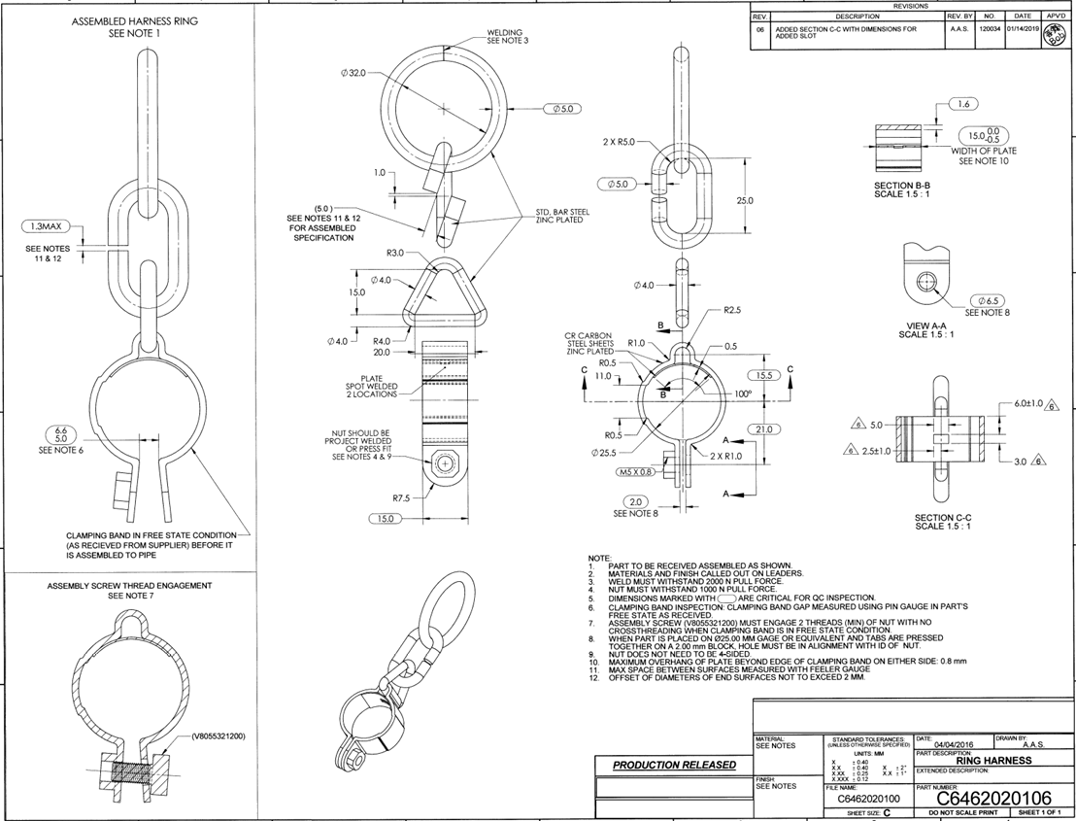

1
2
21
11
22

13
12

3

5
14
23
6
15
16
7
17
8
24
26
4
18
19

20
9
25

10

Tolerance Table
